Sheet1
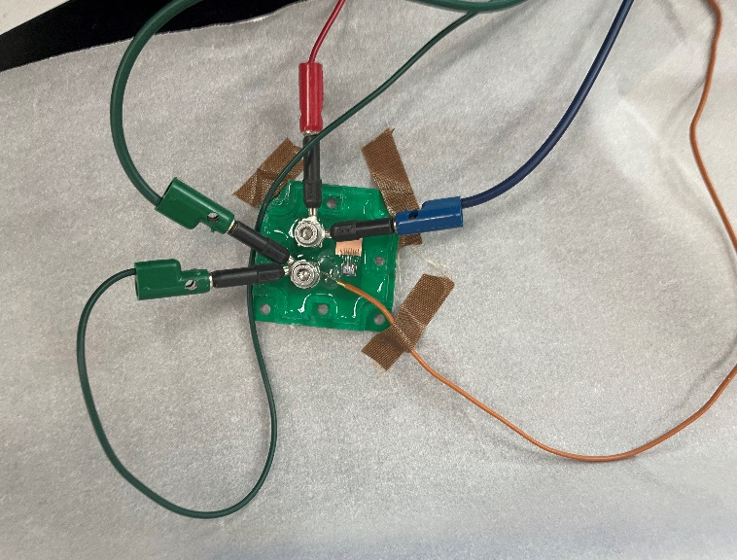
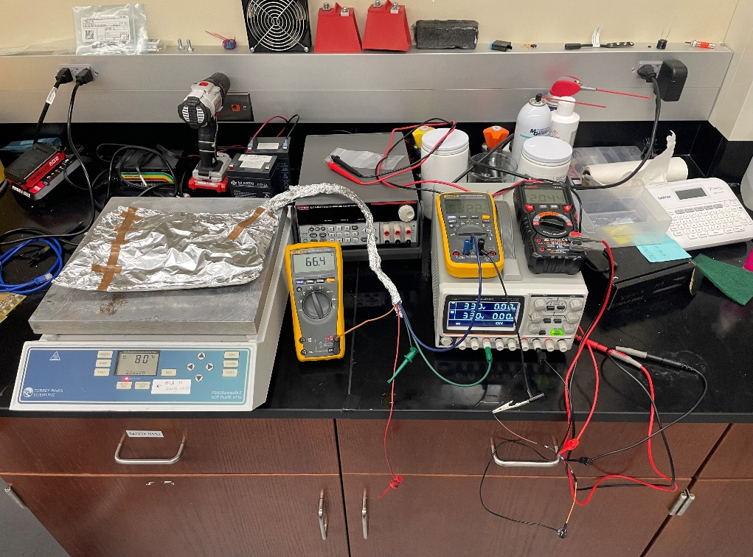
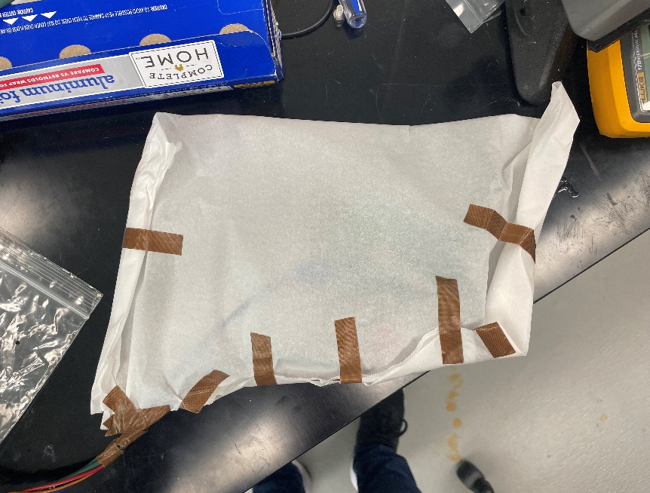
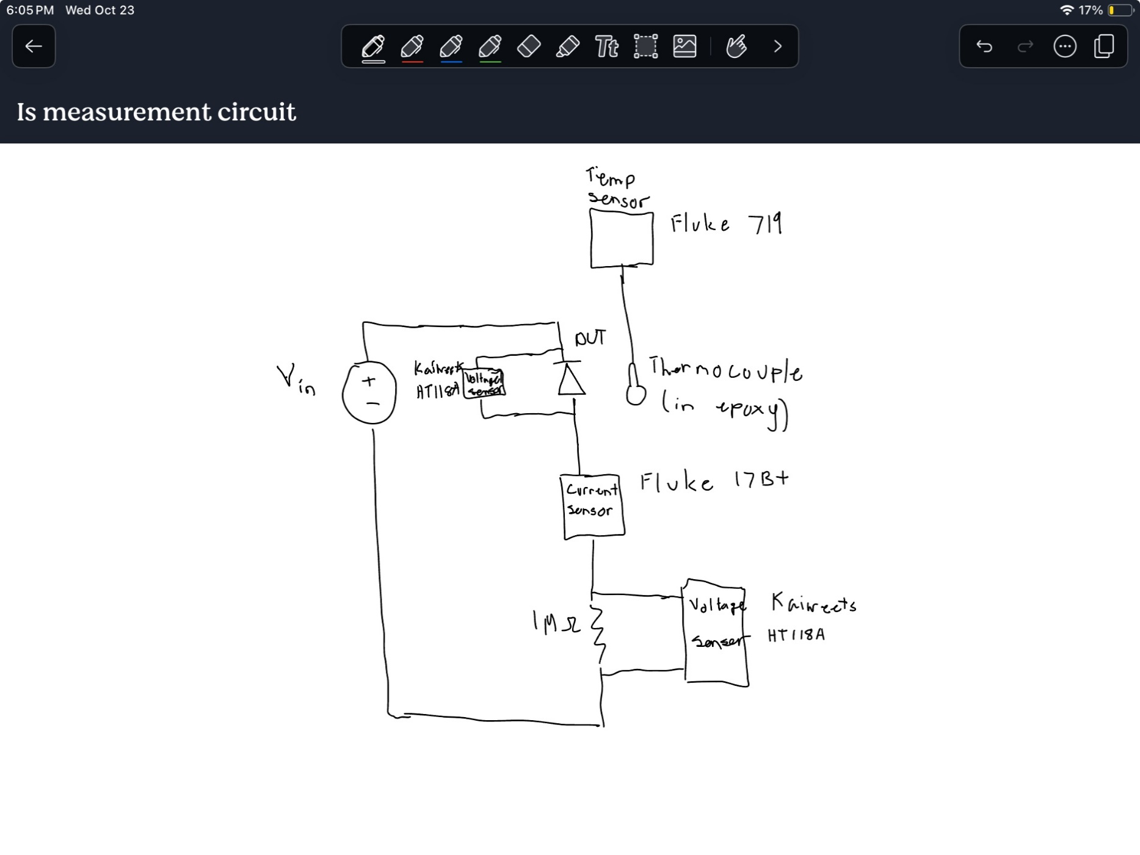

Reverse Voltage (V) | Reverse Current (uA) | Temperature (degC) | Reverse Voltage (V) | Reverse Current (uA) | Temperature (degC) | Reverse Voltage (V) | Reverse Current (uA) | Temperature (degC)
65.8 | 14.7 | 93 | 30.28 | 12.1 | 93.5 | 10.15 | 7.9 | 93.6
65.8 | 14.9 | 93.2 | 30.02 | 17.8 | 98.9 | 9.97 | 11.9 | 99
65.8 | 21.9 | 98.6 | 29.92 | 28 | 105.4 | 9.72 | 19.2 | 105.5
65.8 | 23.8 | 99.7 | 29.98 | 48.4 | 113.3 | 9.92 | 63.6 | 121.9
65.8 | 34.4 | 105.2 | 30.01 | 83.6 | 121.7 | 10.04 | 143.5 | 134.2
65.8 | 38.5 | 107.1 | 30 | 181.3 | 134.2
65.8 | 57.8 | 112.9
65.8 | 65.2 | 115
65.8 | 99.2 | 121.4
65.8 | 114.2 | 123.8
65.8 | 214 | 134.2
65.8 | 216.3 | 134.4

